PCN Lookup Example
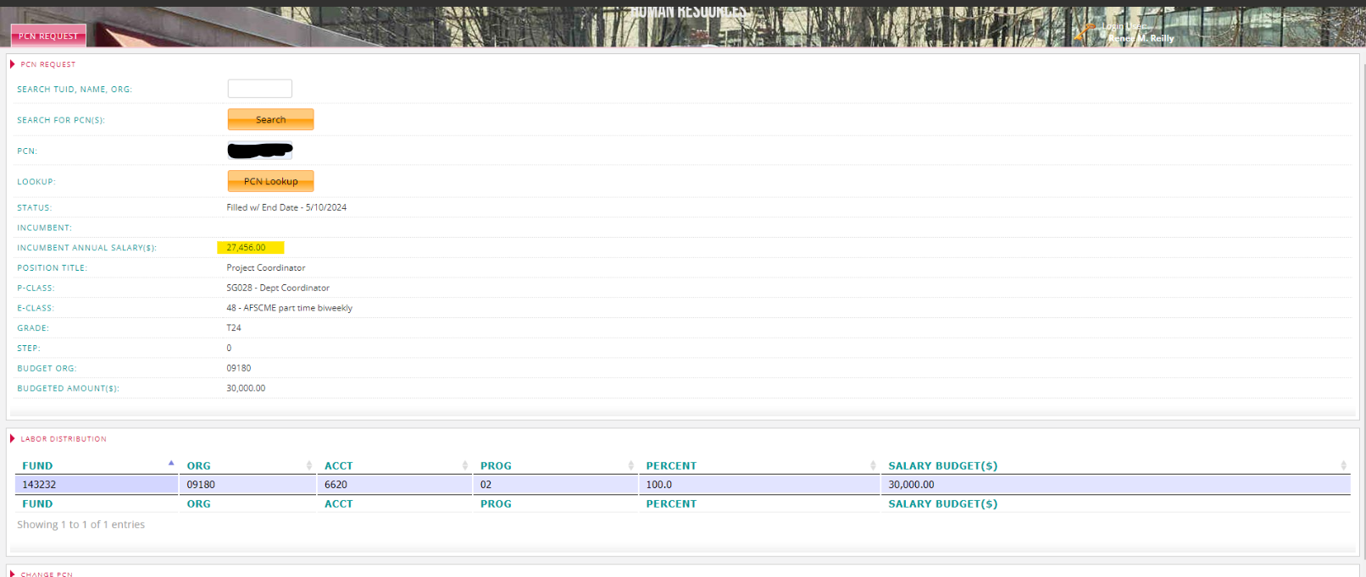
PCN Example
Click PCN Request in TUapplications
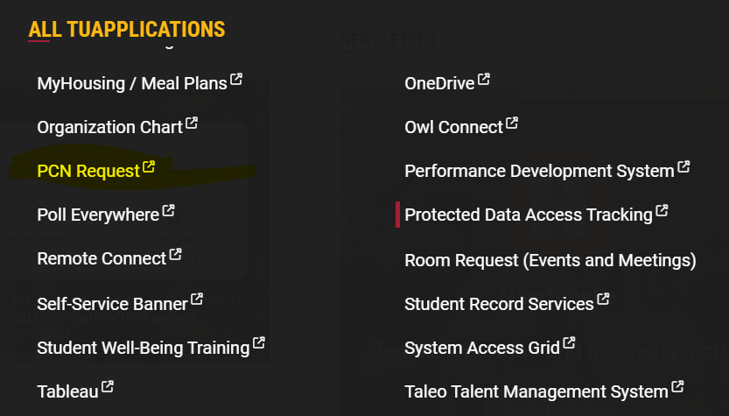

Enter the faculty member's name or TUID and click Search.
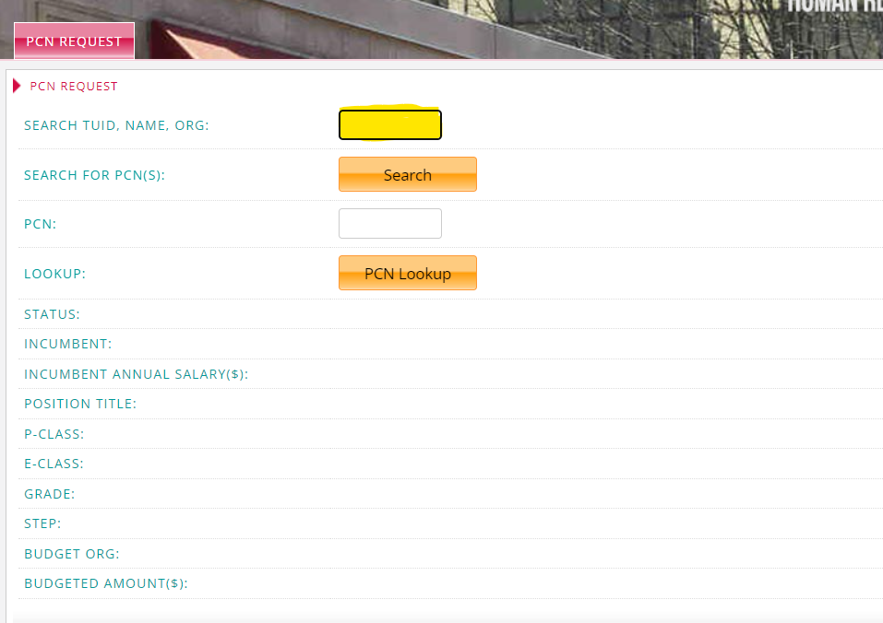

Take a screenshot of the faculty member's salary and include add it to the bottom of the template.

